CONSULTATIVE SELLING
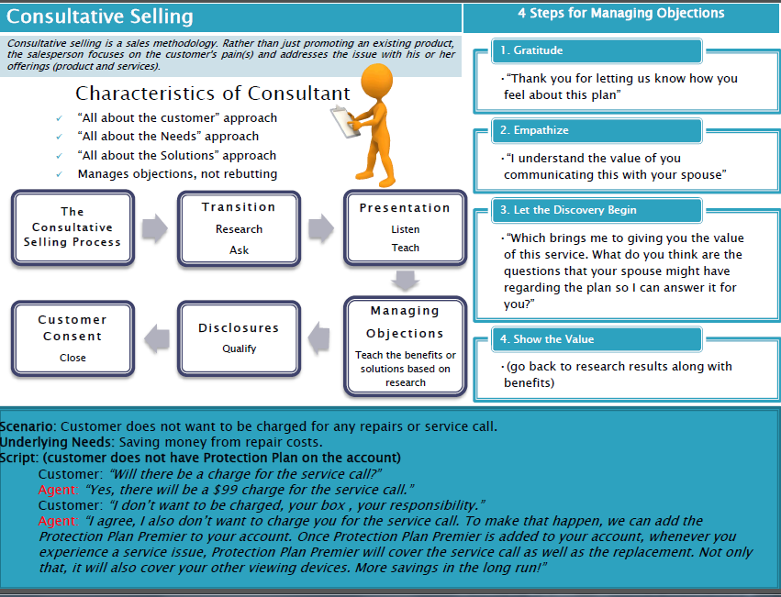

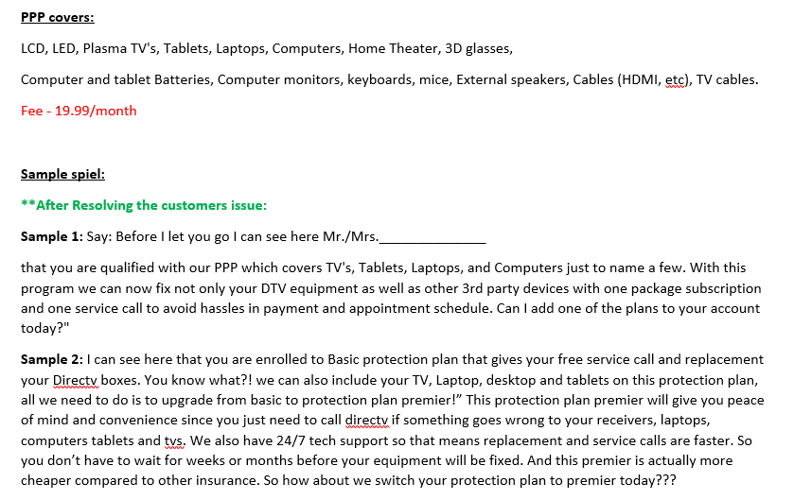
Required Disclosures
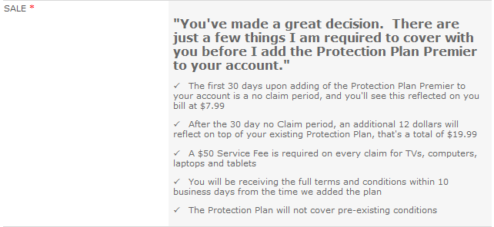

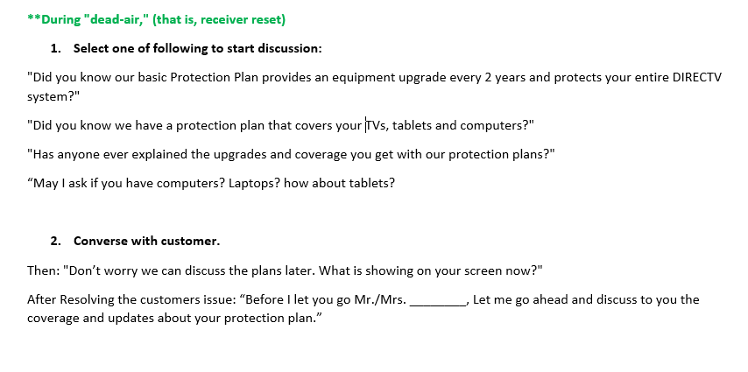
Sales Tracker:
http://belegendary.alorica.com/Operations/ATT/Lists/Cebu%20%20ATT%20Entertainment%20%20Sales%20Tacker/AllItems.aspx

Updates
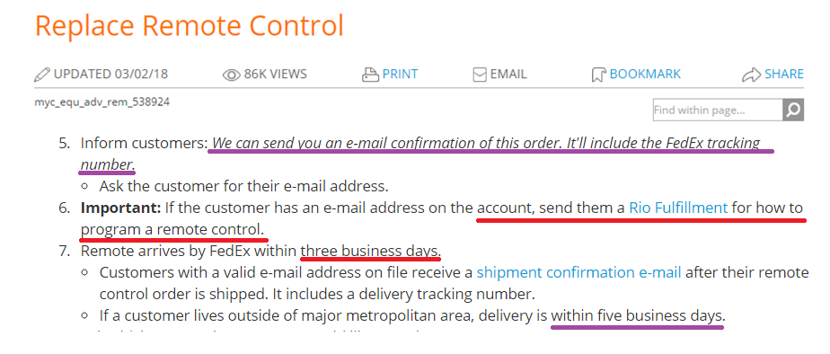
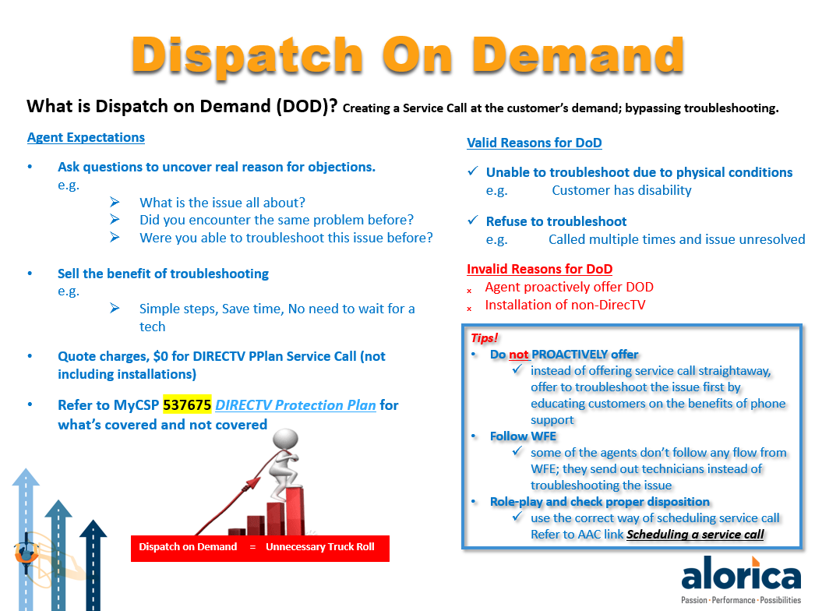

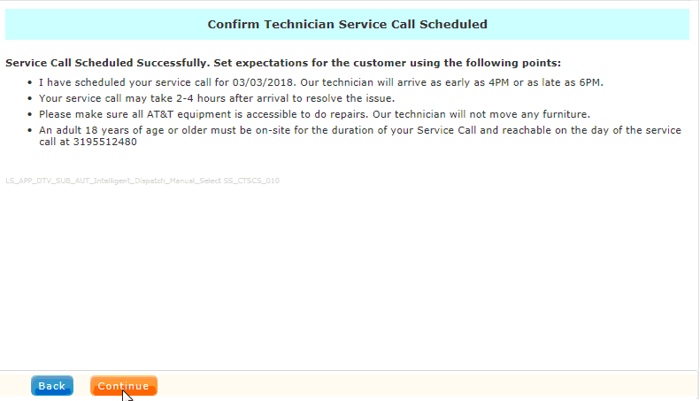

For Remote Replacement, don’t forget to discuss the items below after the processing the replacement in RIO.

